SEP 19 - Notes
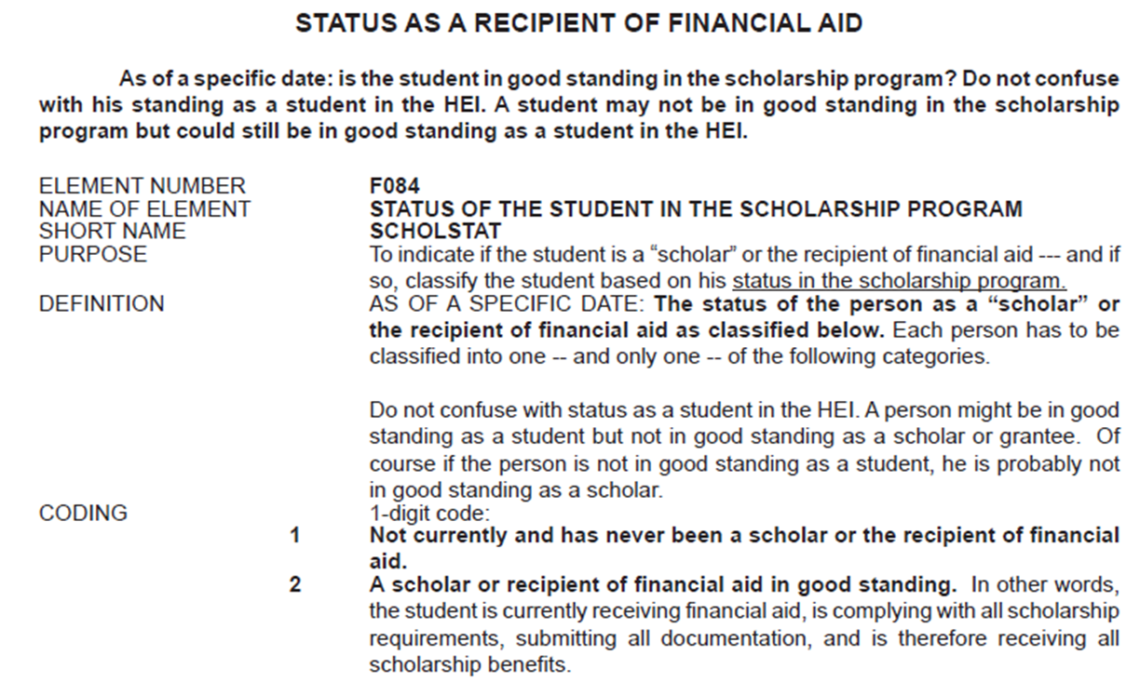
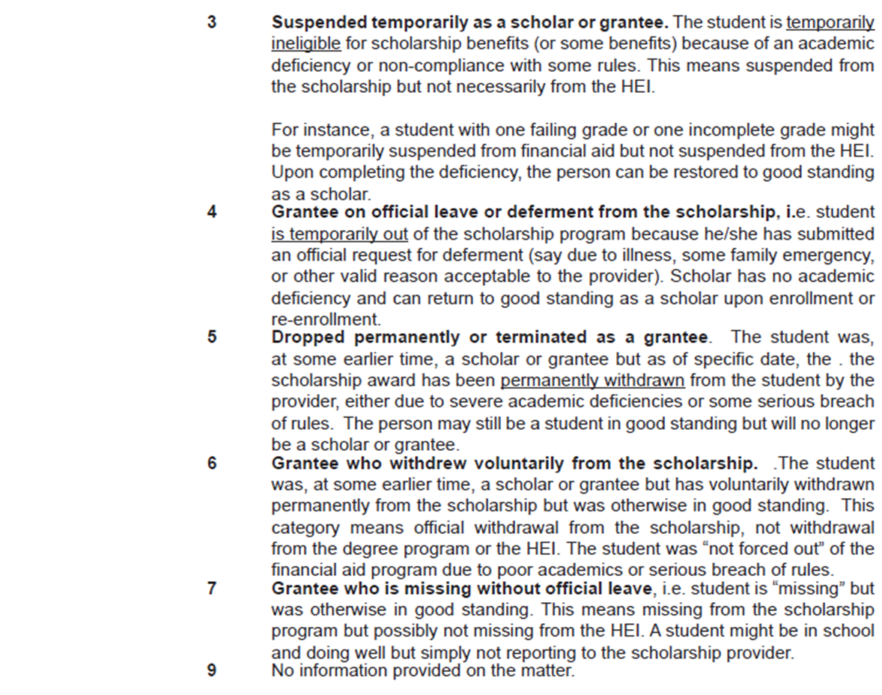
Student Status Notes
 | 1. Student status is either Active or Inactive.
 |  | • Active: could be “Active” or “Residency” (wordings to be finalized)
 |  | • Inactive: could be o LOA o AWOL o Graduated o Exit from the University (REC-0052)
 |  | If Active, student has access to campus and SLC system. If Inactive, student has limited access to campus or to SLC system.
 |  | Draft student status flow diagram in this file, 'Sep13-student status' tab.

 | 2. If Active, a student should have a ‘standing’ (wording to be finalized).
 |  | A ‘standing’ could be: • Good Standing • Bad/Poor Standing (wording to be finalized)
 |  | A standing may be affected by any of the following (wordings to be finalized): • Academic Standing: related to grades, SNAS, program/strand retention, university retention • Disciplinary Standing • Financial/Payment Standing
 |  | A good or bad/poor standing may cause to change an Active status to Inactive (for ex., from Active to Inactive – Exit from University, due to a disciplinary case).
 |  | Academic Standing directly impacts the Student Program Status.

 | 3. Student Status and Student Program Status – recommendation is to treat these “separately”.
 |  | Meaning, for ex., Student Status Code is different from Student Program Status code.
 |  | One may or may not impact the other.
 |  | There are allowed and not allowed combinations of Student Status and Student Program Status. For ex., a student cannot have an “Under LOA” student status and a “Probationary” program status (not sure about this specific example).

 | 4. On clearance holds: placing of hold or lifting of a clearance hold is an outcome of the conditions

 | 5. Other considered:
 |  | • Scholar/scholarship: will have status, but will be in scholarship process; not affecting applicant/student access. scholarship statuses will not be documented under REF-0002
 |  | • foreign exchange students (inbound and outbound): not a status, but a type of student/enrollee. For ex; On exchange program? Yes/No.
 |  | • Cross-enrollee?: not a status, but a type of student/enrollee
 |  | • Transferee?: No, not a status, but a type of student/enrollee
 |  | • Manage Shifting Application
 |  | • Apply for an Optional Minor Program

 | 6. Future-state will there still be BS/MS program? If yes, what will be the Student Status after they achieve a Program Status of Graduated? For existing students of BS/MS programs will they asked be to shift.

 | 7. Graduated, but still with Clearance Hold. Should this be a separate status?

 | 8. Students on LOA, will they be allowed access to campus, and systems?

 | 8. CHED Data Element Manual
 |  | Status as a student in good standing
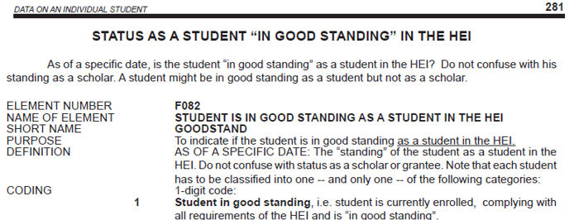

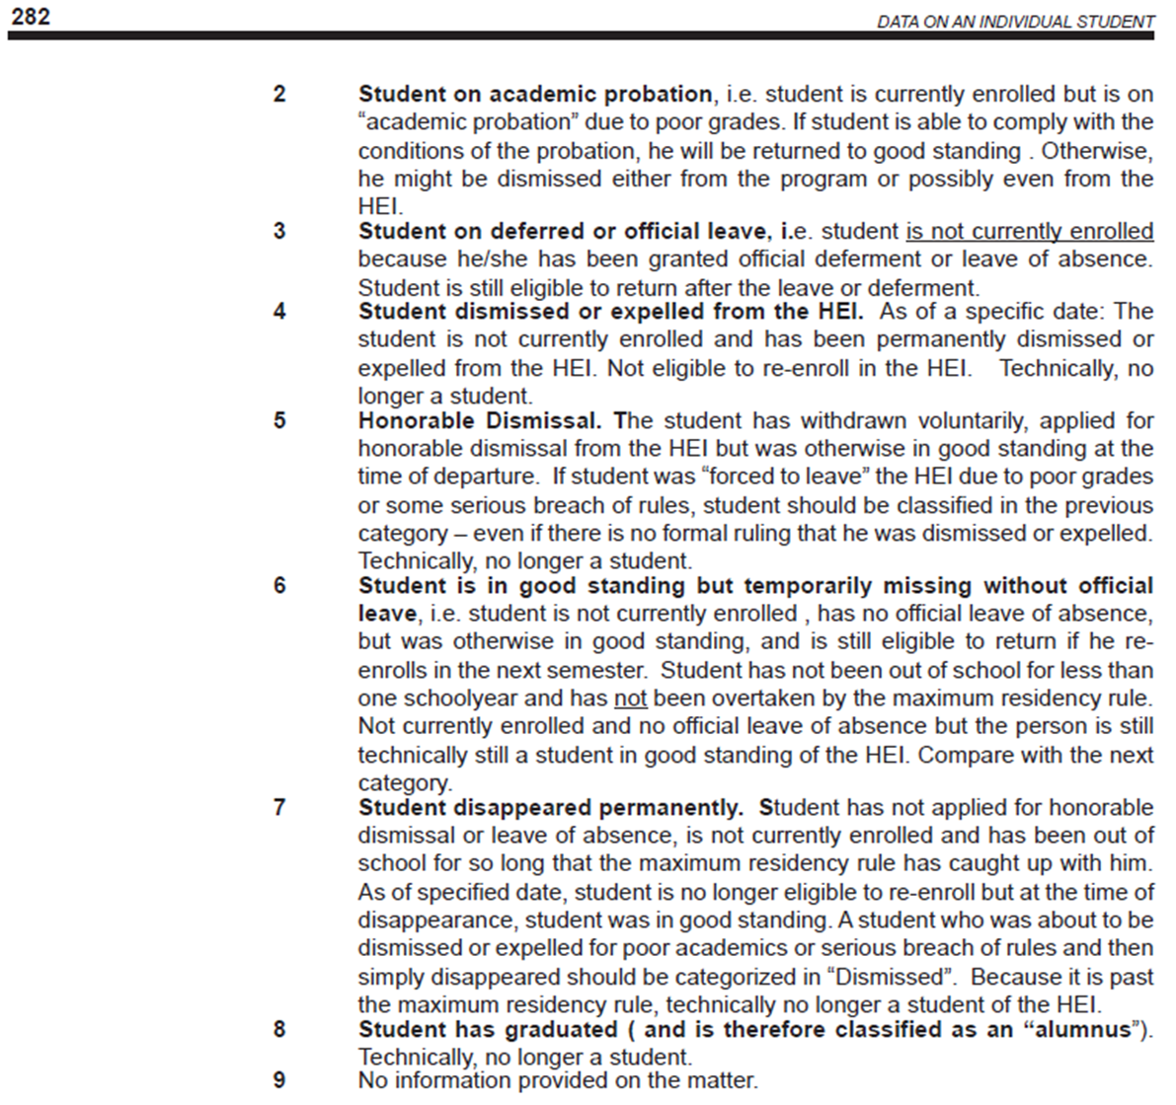

 |  | Status as a recipient of financial aid

